Overview
 |  |  |  | Preprocessing tests

 |  | Split: | 0,8 (Person dependent =vert.) |  |  |  | For each run, please change output folder in script!!
 |  | k: | 10

 |  |  |  |  |  |  |  |  |  |  |  | Comparison to reference (run1)
Title | Run | Single/Multi | DPI | Centered | Smoothing | Gauss.Sigma | PCA | Normalisation | Accuracy | Data loading time | knn time [s] | PCA time | Accuracy diff [%] | Data load time diff [%] | knn time diff [%] | DONE?
Reference (no preProc.) | 1 | Multi (Group4) | 300 | FALSE | none | 0 | FALSE | FALSE | 76.8333% | 206.1990 | 3,353.6080 |  | 0.00% | 0.00% | - | yes
DPI=200 | 2 | Multi (Group4) | 200 | FALSE | none | 0 | FALSE | FALSE | 76.8750% | 88.0940 | 1,274.3570 |  | 0.04% | -57.28% | -62.00% | yes
DPI=100 | 3 | Multi (Group4) | 100 | FALSE | none | 0 | FALSE | FALSE | 79.5833% | 19.2010 | 27.7880 |  | 2.75% | -90.69% | -99.17% | yes
Centered=True | 4 | Multi (Group4) | 300 | TRUE | none | 0 | FALSE | FALSE | 98.7083% | 185.5170 | 3,434.3010 |  | 21.88% | -10.03% | 2.41% | yes
Smooth=Avg | 5 | Multi (Group4) | 300 | FALSE | Avg | 0 | FALSE | FALSE | 90.2083% | 272.8430 | 3,398.4590 |  | 13.38% | 32.32% | 1.34% | yes
Smooth=Gauss(Sig:1) | 6 | Multi (Group4) | 300 | FALSE | Gauss | 1 | FALSE | FALSE | 89.9583% | 284.4160 | 3,387.9180 |  | 13.12% | 37.93% | 1.02% | yes
Smooth=Gauss(Sig:2) | 7 | Multi (Group4) | 300 | FALSE | Gauss | 2 | FALSE | FALSE | 94.2083% | 288.4350 | 3,271.6910 |  | 17.38% | 39.88% | -2.44% | yes
Smooth=Gauss(Sig:3) | 8 | Multi (Group4) | 300 | FALSE | Gauss | 3 | FALSE | FALSE | 94.7083% | 281.9380 | 3,452.4590 |  | 17.88% | 36.73% | 2.95% | yes
Smooth=Gauss(Sig:4) | 9 | Multi (Group4) | 300 | FALSE | Gauss | 4 | FALSE | FALSE | 93.4167% | 299.2530 | 3,334.6490 |  | 16.58% | 45.13% | -0.57% | yes
PCA (w/o norm, first 50) | 10 | Multi (Group4) | 300 | FALSE | none | 0 | TRUE | FALSE | 82.6250% | 224.5120 | 1.6940 | 60.9790 |  | 8.88% | -99.95% | yes
PCA (w/o norm, first 100) | 11 | Multi (Group4) | 300 | FALSE | none | 0 | TRUE | TRUE | 80.2917% | 224.5120 | 3.1210 | 60.9790 | 3.46% | 8.88% | -99.91% | yes
PCA (w/o norm, first 200) | 12 | Multi (Group4) | 300 | FALSE | none | 0 | TRUE | FALSE | 71.3333% | 224.5120 | 11.1110 | 60.9790 | -5.50% | 8.88% | -99.67% | yes
PCA (w/o norm, first 400) | 13 | Multi (Group4) | 300 | FALSE | none | 0 | TRUE | TRUE | 48.0000% | 224.5120 | 35.5970 | 60.9790 | -28.83% | 8.88% | -98.94% | yes
PCA (w/o norm, first 600) | 14 | Multi (Group4) | 300 | FALSE | none | 0 | TRUE | FALSE | 38.5417% | 224.5120 | 336.2190 | 60.9790 | -38.29% | 8.88% | -89.97% | yes
PCA (w/o norm, first 1000) | 15 | Multi (Group4) | 300 | FALSE | none | 0 | TRUE | TRUE | 29.9167% | 224.5120 | 778.8260 | 60.9790 | -46.92% | 8.88% | -76.78% | yes
PCA (w/o norm, first 2000) | 16 | Multi (Group4) | 300 | FALSE | none | 0 | TRUE | TRUE | 19.3750% | 224.5120 | 1,774.1480 | 60.9790 | -57.46% | 8.88% | -47.10% | yes
PCA (with norm) | 17

Absolute Accuracy and Performance
 | Accuracy | Data loading time | knn time [s] | PCA time
Reference (no preProc.) | 76.8333% | 206.1990 | 3,353.6080
DPI=200 | 76.8750% | 88.0940 | 1,274.3570
DPI=100 | 79.5833% | 19.2010 | 27.7880
Centered=True | 98.7083% | 185.5170 | 3,434.3010
Smooth=Avg | 90.2083% | 272.8430 | 3,398.4590
Smooth=Gauss(Sig:1) | 89.9583% | 284.4160 | 3,387.9180
Smooth=Gauss(Sig:2) | 94.2083% | 288.4350 | 3,271.6910
Smooth=Gauss(Sig:3) | 94.7083% | 281.9380 | 3,452.4590
Smooth=Gauss(Sig:4) | 93.4167% | 299.2530 | 3,334.6490
PCA (w/o norm, first 50) | 82.6250% | 224.5120 | 1.6940 | 60.9790
PCA (w/o norm, first 100) | 80.2917% | 224.5120 | 3.1210 | 60.9790
PCA (w/o norm, first 200) | 71.3333% | 224.5120 | 11.1110 | 60.9790
PCA (w/o norm, first 400) | 48.0000% | 224.5120 | 35.5970 | 60.9790
PCA (w/o norm, first 600) | 38.5417% | 224.5120 | 336.2190 | 60.9790
PCA (w/o norm, first 1000) | 29.9167% | 224.5120 | 778.8260 | 60.9790
PCA (w/o norm, first 2000) | 19.3750% | 224.5120 | 1,774.1480 | 60.9790

 |  | TEXT DRAFT FOR REPORT:

Introduction
Before starting on investigating and experimenting with the knn-algortithm the focus was on finding out how to improve the performance and accuracy. Therefore a reference run (run #1) was done first with no preprocessing at all. The highest image resolution available (300 dpi) was taken. The dataset were three persons from the fourth group of 2017. The data was split in 80% training data and 20% test data. To keep the computational time within reasonable limits, only one k value was used (k=10). All calculations were done on an Amazon EC2 server instance with 7,5 RAM and 4 virtual CPUs (2,9 GHz).
The following runs were executed to compare the changes in accuracy and performance. Only one parameter was changed in comparison to the reference. Some interesting results becam evident (see following figure)

Change of Accuracy and Performance compared to reference (run #1)
 | Data load time diff [%] | knn time diff [%] | Accuracy diff [%]
DPI=200 | -57.28% | -62.00% | 0.04%
DPI=100 | -90.69% | -99.17% | 2.75%
Centered=True | -10.03% | 2.41% | 21.88%
Smooth=Avg | 32.32% | 1.34% | 13.38%
Smooth=Gauss(Sig:1) | 37.93% | 1.02% | 13.12%
Smooth=Gauss(Sig:2) | 39.88% | -2.44% | 17.38%
Smooth=Gauss(Sig:3) | 36.73% | 2.95% | 17.88%
Smooth=Gauss(Sig:4) | 45.13% | -0.57% | 16.58%
PCA (w/o norm, first 50) | 8.88% | -99.95%
PCA (w/o norm, first 100) | 8.88% | -99.91% | 3.46%
PCA (w/o norm, first 200) | 8.88% | -99.67% | -5.50%
PCA (w/o norm, first 400) | 8.88% | -98.94% | -28.83%
PCA (w/o norm, first 600) | 8.88% | -89.97% | -38.29%
PCA (w/o norm, first 1000) | 8.88% | -76.78% | -46.92%
PCA (w/o norm, first 2000) | 8.88% | -47.10% | -57.46%
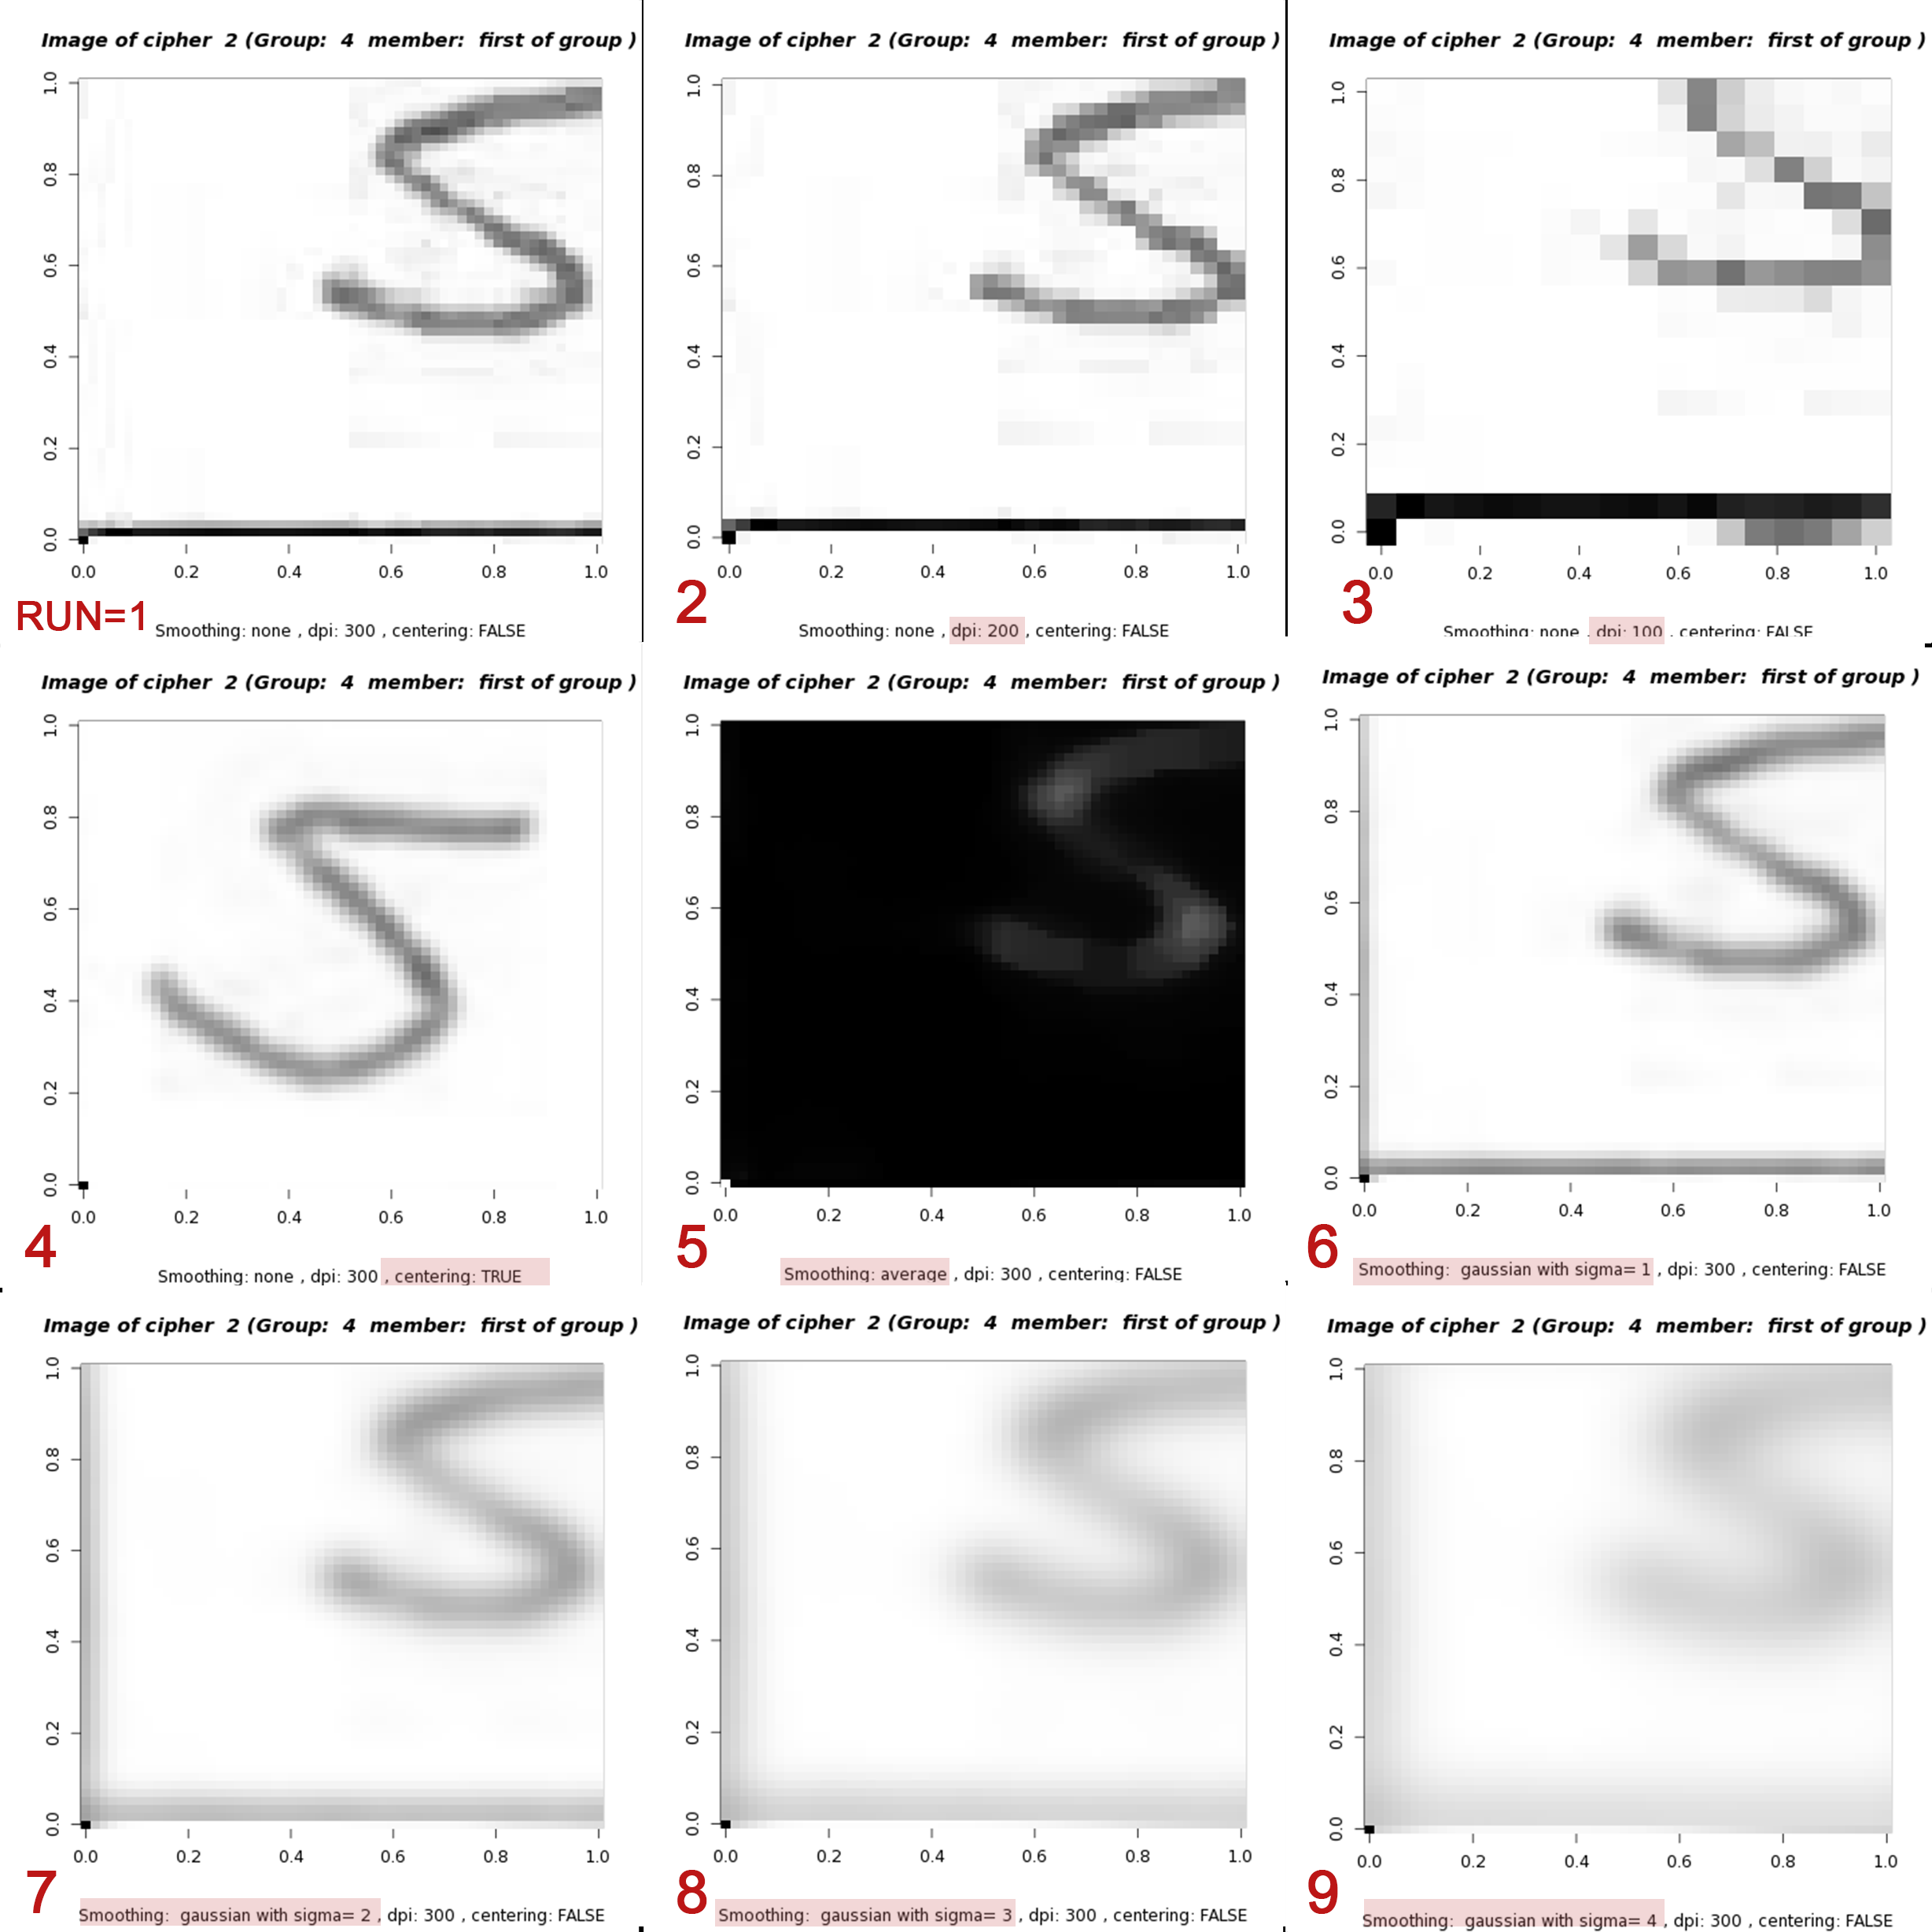

Observation and Interpretation
The calculation show that especially the dpi has a huge impact on the time. The loading time as well as the time for the knn algorithm is significantly decreasing. DPI 100 make the calculations almost twice as fast. And this without any substantial changes in accuracy. Interesting to see is that the accuracy is even improving by almost 3% from DPI 300 to 100. The biggest improvement in accuracy is evident if centered and rotated (run 3) data is used (over 20% higher accuracy). The smoothing methods improve the accuracy by more than 10% but they also lead to a significant increase in computational time (about 40%). The calculating time (ca. 1 min) did not increase the total amount of time greatly. The changes in knn time performance are dramatically high but dependent on how many PCAs are used for knn. If only the first 50 are used, it is only taking about a second. But the time increases exponentially when the number of PCA increased. ALso, the accuracy is worse than witohout PCA. For 50 PCAs it is about 82% high and then gradually decreasing with incrementing the number of PCAs. This is an interesting and unexpected result. Revising the code did not reveal any mistakes, so the reason reamined unclear (see also Tab 'PCA' in this document).
Conclusion
Using centering data showed significant improvement in accuracy without changing the temporal performance too much. To improve the time, the data with a DPI=100 was used together with a gaussian smoothing with sigma= 3 because it showed significant improvement in accuracy. PCA? So for the knn algorithm the following preprocessing methods were chosen:
- DPI: 100
- Centered and rotated
- Smoothing: gaussian sigma=3
- No PCA
3/4 more runs were done to iteravly add the preprocessing methods and see the difference in performance and accuracy. [... to be continued, no results yet]

PCA
 | A more detailed test to see how accuracy and performance change with differen x first PCA values:

x | accuracy | performance
1 | 23.916666667 | 0.104
2 | 38.583333333 | 0.12
3 | 46.416666667 | 0.16
4 | 45.75 | 0.183
5 | 52.458333333 | 0.205
6 | 57.5 | 0.227
First x PCAs
 | accuracy | performance
1 | 23.916666667 | 0.104
2 | 38.583333333 | 0.12
3 | 46.416666667 | 0.16
4 | 45.75 | 0.183
5 | 52.458333333 | 0.205
6 | 57.5 | 0.227
7 | 60.291666667 | 0.248
8 | 64.5 | 0.271
9 | 65 | 0.292
10 | 68.416666667 | 0.314
11 | 71.125 | 0.337
12 | 72.458333333 | 0.361
13 | 73.625 | 0.385
14 | 75.125 | 0.409
15 | 76.25 | 0.432
16 | 75.833333333 | 0.457
17 | 76.958333333 | 0.479
18 | 77.791666667 | 0.503
19 | 77.916666667 | 0.525
20 | 78.458333333 | 0.55
21 | 78.875 | 0.572
22 | 79.041666667 | 0.595
23 | 79.333333333 | 0.618
24 | 79.25 | 0.64
25 | 80 | 0.662
26 | 80.291666667 | 0.684
27 | 80.25 | 0.708
28 | 81.291666667 | 0.728
29 | 81.541666667 | 0.752
30 | 81.541666667 | 0.774
31 | 81.625 | 0.797
32 | 81.25 | 0.929
33 | 81.75 | 0.845
34 | 82.125 | 0.867
35 | 81.583333333 | 0.895
36 | 82.375 | 0.922
37 | 82.375 | 1.03
38 | 83.083333333 | 1.033
39 | 82.666666667 | 1.089
40 | 82.875 | 1.056
41 | 82.458333333 | 1.152
42 | 82.666666667 | 1.126
43 | 82.833333333 | 1.194
44 | 82.916666667 | 1.22
45 | 82.833333333 | 1.392
46 | 82.833333333 | 1.428
47 | 82.458333333 | 1.406
48 | 82.25 | 1.504
49 | 82.375 | 1.538
50 | 82 | 1.571
...
7 | 60.291666667 | 0.248
8 | 64.5 | 0.271
9 | 65 | 0.292
10 | 68.416666667 | 0.314
11 | 71.125 | 0.337
12 | 72.458333333 | 0.361
13 | 73.625 | 0.385
14 | 75.125 | 0.409
15 | 76.25 | 0.432
16 | 75.833333333 | 0.457
17 | 76.958333333 | 0.479
18 | 77.791666667 | 0.503
19 | 77.916666667 | 0.525
20 | 78.458333333 | 0.55
21 | 78.875 | 0.572
22 | 79.041666667 | 0.595
23 | 79.333333333 | 0.618
24 | 79.25 | 0.64
25 | 80 | 0.662
26 | 80.291666667 | 0.684
27 | 80.25 | 0.708
28 | 81.291666667 | 0.728
29 | 81.541666667 | 0.752
30 | 81.541666667 | 0.774
31 | 81.625 | 0.797
32 | 81.25 | 0.929
33 | 81.75 | 0.845
34 | 82.125 | 0.867
35 | 81.583333333 | 0.895
36 | 82.375 | 0.922
37 | 82.375 | 1.03
38 | 83.083333333 | 1.033
39 | 82.666666667 | 1.089
40 | 82.875 | 1.056
41 | 82.458333333 | 1.152
42 | 82.666666667 | 1.126
43 | 82.833333333 | 1.194
44 | 82.916666667 | 1.22
45 | 82.833333333 | 1.392
46 | 82.833333333 | 1.428
47 | 82.458333333 | 1.406
48 | 82.25 | 1.504
49 | 82.375 | 1.538
50 | 82 | 1.571
51 | 82.333333333 | 1.601
52 | 82.875 | 1.634
53 | 82.958333333 | 1.665
54 | 82.875 | 1.698
55 | 83 | 1.731
56 | 83.375 | 1.758
57 | 82.958333333 | 1.792
58 | 83.083333333 | 1.834
59 | 81.958333333 | 1.86
60 | 82.583333333 | 1.891
61 | 81.583333333 | 1.923
62 | 82.541666667 | 1.957
63 | 82.208333333 | 1.978
64 | 82.375 | 2.034
65 | 82.166666667 | 2.042
66 | 81.875 | 2.069
67 | 81.833333333 | 2.095
68 | 81.625 | 2.142
69 | 81.583333333 | 2.159
70 | 81.666666667 | 2.196
71 | 81.583333333 | 2.217
72 | 81.625 | 2.244
73 | 81.708333333 | 2.282
74 | 81.416666667 | 2.298
75 | 81.333333333 | 2.328
76 | 81.041666667 | 2.369
77 | 81.375 | 2.395
78 | 81.583333333 | 2.429
79 | 81.583333333 | 2.445
80 | 81.541666667 | 2.471
81 | 81.166666667 | 2.514
82 | 81.25 | 2.547
83 | 81.416666667 | 2.572
84 | 81.041666667 | 2.681
85 | 81.791666667 | 2.625
86 | 82 | 2.671
87 | 81.25 | 2.746
88 | 81.041666667 | 2.73
89 | 81.333333333 | 2.781
90 | 80.875 | 2.802
91 | 80.416666667 | 2.864
92 | 80.833333333 | 2.844
93 | 80.791666667 | 2.893
94 | 80.5 | 2.95
95 | 81.083333333 | 2.965
96 | 80.541666667 | 3.012
97 | 80.166666667 | 3.225
98 | 80 | 3.01
99 | 80.458333333 | 3.071
100 | 79.666666667 | 3.105
101 | 79.958333333 | 3.189
102 | 79.916666667 | 3.301
103 | 80.083333333 | 3.269
104 | 80.5 | 3.301
105 | 80 | 3.253
106 | 79.708333333 | 3.276
107 | 79.583333333 | 3.325
108 | 80.208333333 | 3.377
109 | 79.291666667 | 3.399
110 | 79.541666667 | 3.447
111 | 79.041666667 | 3.537
112 | 79.291666667 | 3.491
113 | 78.791666667 | 3.629
114 | 78.708333333 | 3.878
115 | 78.75 | 3.984
116 | 78.625 | 3.697
117 | 79.208333333 | 3.815
118 | 79 | 3.828
119 | 80.166666667 | 3.968
120 | 79.625 | 3.919
121 | 79.291666667 | 4.195
122 | 79.25 | 3.973
123 | 78.916666667 | 3.965
124 | 78.958333333 | 4.019
125 | 78.875 | 4.135
126 | 79 | 4.528
127 | 78.5 | 4.39
128 | 78.833333333 | 4.222
129 | 78.708333333 | 4.926
130 | 78.166666667 | 4.58
131 | 78.125 | 4.442
132 | 78.166666667 | 4.916
133 | 78.25 | 5.117
134 | 78.041666667 | 5.339
135 | 78.375 | 5.577
136 | 77.708333333 | 5.347
137 | 77.875 | 5.365
138 | 78.166666667 | 5.443
139 | 77.208333333 | 6.111
140 | 77.666666667 | 5.725
141 | 77.625 | 5.936
142 | 76.625 | 6.272
143 | 76.625 | 6.111
144 | 76.833333333 | 6.176
145 | 76.5 | 6.396
146 | 76.625 | 6.302
147 | 76.708333333 | 6.245
148 | 76.5 | 6.251
149 | 76 | 6.608
150 | 75.583333333 | 6.529
151 | 76.541666667 | 6.795
152 | 76.041666667 | 6.827
153 | 76.166666667 | 7.099
154 | 75.708333333 | 7.405
155 | 75.541666667 | 7.193
156 | 76 | 7.348
157 | 75.458333333 | 6.813
158 | 75.583333333 | 7.521
159 | 75.541666667 | 6.988
160 | 75.375 | 7.829
161 | 75.708333333 | 7.264
162 | 75.25 | 7.441
163 | 75 | 8.311
164 | 74.333333333 | 8.044
165 | 75.083333333 | 7.792
166 | 74.333333333 | 7.65
167 | 74.958333333 | 7.364
168 | 74.208333333 | 8.357
169 | 74.208333333 | 8.055
170 | 74.166666667 | 7.986
171 | 73.875 | 7.993
172 | 74.416666667 | 7.993
173 | 73.916666667 | 8.762
174 | 74.083333333 | 8.038
175 | 74.166666667 | 8.136
176 | 74.25 | 8.37
177 | 73.5 | 7.858
178 | 73.458333333 | 8.159
179 | 73.208333333 | 8.779
180 | 73.125 | 8.797
181 | 73.041666667 | 9.172
182 | 73.333333333 | 7.958
183 | 73.083333333 | 8.744
184 | 72.791666667 | 9.575
185 | 73.041666667 | 9.325
186 | 73.083333333 | 9.507
187 | 72 | 9.428
188 | 72.583333333 | 8.925
189 | 72.333333333 | 9.636
190 | 72.125 | 9.78
191 | 71.875 | 10.07
192 | 72.25 | 10.3
193 | 72.166666667 | 10.029
194 | 71.958333333 | 10.176
195 | 71.333333333 | 10.989
196 | 71.083333333 | 10.304
197 | 70.958333333 | 10.529
198 | 71.541666667 | 10.863
199 | 71.333333333 | 10.77
200 | 70.833333333 | 10.56
201 | 71.583333333 | 10.839
202 | 71.833333333 | 11.247
203 | 71 | 10.452
204 | 71.041666667 | 11.084
205 | 70.75 | 10.756
206 | 70.791666667 | 11.13
207 | 70.208333333 | 11.536
208 | 70.5 | 11.62
209 | 70.541666667 | 10.845
210 | 70.25 | 10.98
211 | 70.541666667 | 11.781
212 | 70.208333333 | 12.605
213 | 70.166666667 | 11.823
214 | 70.291666667 | 12.246
215 | 70.375 | 12.61
216 | 69.875 | 12.161
217 | 69.833333333 | 12.73
218 | 69.5 | 13.223
219 | 69 | 12.984
220 | 69.458333333 | 12.947
221 | 69.458333333 | 13.225
222 | 69 | 13.076
223 | 69.458333333 | 12.951
224 | 68.666666667 | 12.349
225 | 68.75 | 12.949
226 | 69.166666667 | 12.982
227 | 68.416666667 | 13.447
228 | 68.541666667 | 13.107
229 | 68.208333333 | 13.319
230 | 68.333333333 | 14.036
231 | 68.083333333 | 14.64
232 | 68.25 | 14.239
233 | 67.708333333 | 14.894
234 | 67.375 | 14.104
235 | 67.333333333 | 14.594
236 | 67.208333333 | 14.978
237 | 66.833333333 | 14.84
238 | 66.375 | 15.321
239 | 66.416666667 | 16.463
240 | 65.791666667 | 15.891
241 | 66.416666667 | 15.786
242 | 66.458333333 | 16.428
243 | 66.125 | 15.723
244 | 65.083333333 | 14.957
245 | 64.833333333 | 15.777
246 | 65.208333333 | 16.466
247 | 64.708333333 | 16.833
248 | 64.958333333 | 16.591
249 | 64.833333333 | 16.222
250 | 64.583333333 | 15.979
251 | 64.333333333 | 15.808
252 | 64.5 | 16.81
253 | 64.333333333 | 18.778
254 | 64.375 | 17.721
255 | 64.208333333 | 17.394
256 | 64.5 | 17.306
257 | 64.041666667 | 17.094
258 | 63.708333333 | 17.604
259 | 63.916666667 | 19.996
260 | 63.458333333 | 18.314
261 | 62.833333333 | 18.764
262 | 63.25 | 19.957
263 | 62.583333333 | 20.107
264 | 63.291666667 | 19.239
265 | 61.958333333 | 19.6
266 | 62.291666667 | 21.02
267 | 61.75 | 20.344
268 | 61.958333333 | 20.653
269 | 61.958333333 | 21.93
270 | 61.458333333 | 20.608
271 | 61.791666667 | 20.678
272 | 61 | 20.922
273 | 60.916666667 | 21.269
274 | 60.708333333 | 22.227
275 | 60.541666667 | 21.122
276 | 60.333333333 | 21.898
277 | 60.208333333 | 22.664
278 | 59.875 | 22.347
279 | 59.541666667 | 22.197
280 | 59.208333333 | 22.279
281 | 59.416666667 | 22.505
282 | 59.583333333 | 22.414
283 | 59.625 | 23.038
284 | 59.375 | 22.466
285 | 58.583333333 | 22.981
286 | 58.958333333 | 22.542
287 | 58.208333333 | 22.737
288 | 59.041666667 | 23.329
289 | 58.791666667 | 23.118
290 | 58.375 | 22.38
291 | 58.791666667 | 22.342
292 | 58.458333333 | 23.801
293 | 58.333333333 | 24.127
294 | 58.25 | 24.377
295 | 58.041666667 | 23.103
296 | 58.791666667 | 23.461
297 | 57.916666667 | 24.246
298 | 57.708333333 | 24.079
299 | 58.166666667 | 25.218
300 | 58.208333333 | 24.62
301 | 58.25 | 25.587
302 | 58.291666667 | 24.919
303 | 58.75 | 25.771
304 | 59.125 | 25.768
...

